Sheet1
Best r2 scores Copenhagen |  |  |  | *LOOCV = leave-one-out cross validation
 |  |  |  | *Average score = Average score score of model with 10 different train/test splits
Model | Eval method | Train r2 | Test r2
Linear Regression | LOOCV |  | 0.536 | GBR 5000 datapoints
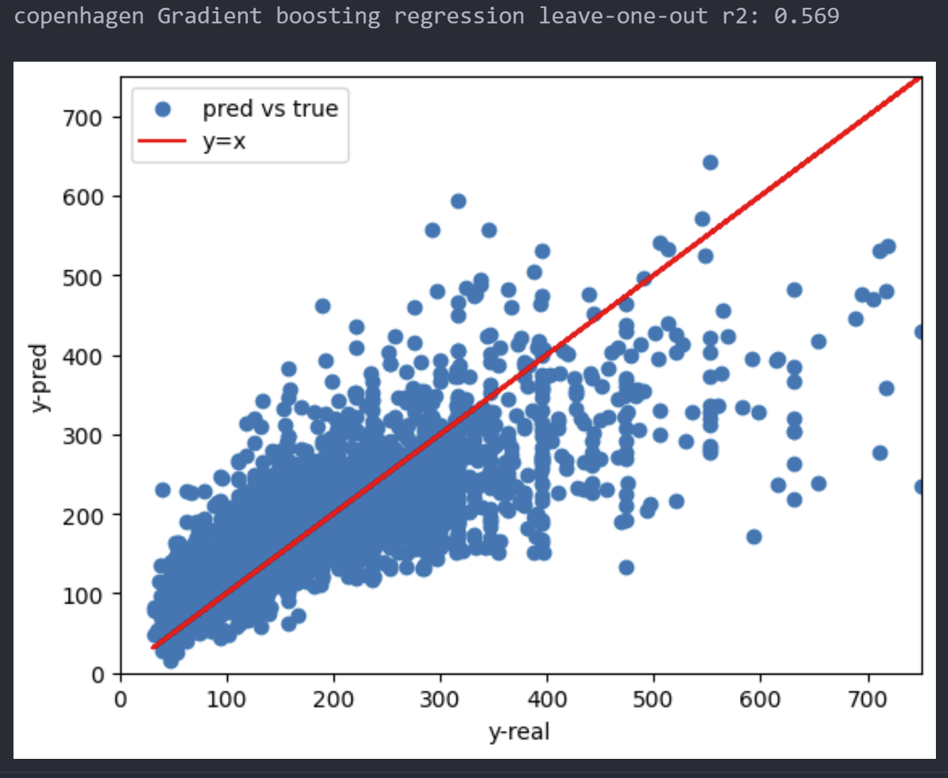
Linear Regression | Average score | 0.5418 | 0.5375
NuSVR | Average score | 0.6469 | 0.5502
Gradient Boosting | Average score | 0.7961 | 0.5969
Random Forest | Average score | 0.756 | 0.5451
XGBoost | Average score | 0.7376 | 0.5831
Neural Network | Average score | 0.5914 | 0.5609

Best r2 scores Stockholm
Model | Eval method | Train r2 | Test r2
Linear Regression | LOOCV |  | 0.574
Linear Regression | Average score | 0.604 | 0.5559
NuSVR | Average score | 0.7208 | 0.5857
Gradient Boosting | Average score | 0.9434 | 0.606
Random Forest | Average score | 0.8764 | 0.6025
XGBoost | Average score | 0.9811 | 0.6175
Neural Network | Average score | 0.6335 | 0.5905

London
Model | Eval method | Train r2 | Test r2
Gradient Boosting | Average score | 0.8676 | 0.6596
XGBoost | Average score | 0.797 | 0.6455

Paris
Model | Eval method | Train r2 | Test r2
Gradient Boosting | Average score | 0.8536 | 0.7409
XGBoost | Average score | 0.807 | 0.7052

